Sheet1
 | Document No. |  | Issue No. | Issue Date |  |  | Review and Replace Date |  | Authorised By
 | GFF161MC |  | 1 | 19.03.2019 |  |  | New Issue |  | Magda Shah
 | Document Title |  | Rose Harrisa Lamb Kofta with Mint Raita Dip 90g - High Risk
Document amendments reason for change | New product launch |  |  | Page 1 of 1 |  | Previous Issue Date |  | New Issue | Uncontrolled copy unless signed original

CLHKOB-G6T |  | GAZEBO |  |  | Rose Harrisa Lamb Kofta with Mint Raita Dip 90G | CHILLED
STEP 1 |  |  |  |  |  | STEP 2
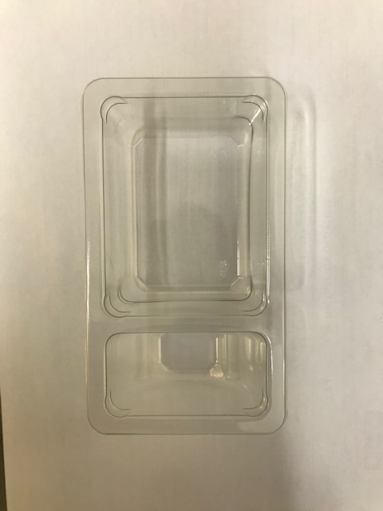 |  |  |  |  |  | 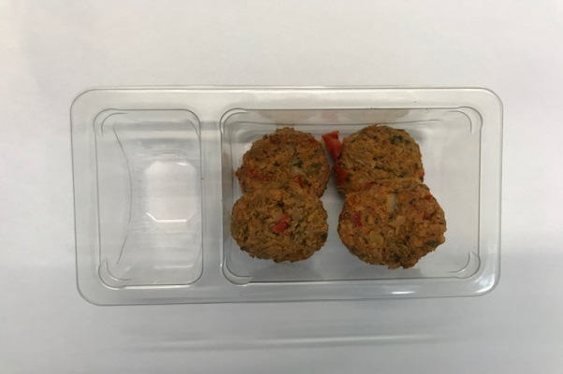

Packaging: Duo-Pot Tray (PKLEE001-01) |  |  |  |  |  | 4 x 15g Rose Harissa Lamb Kebab 60g
Film: 380 MYLAR25RL52AF
STEP 3 |  |  |  |  |  | STEP 4
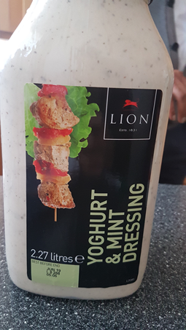 |  |  |  |  |  | 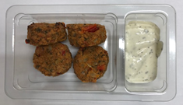 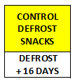

Lion Yogurt & Mint Raita Sauce (RMBRA001-10) 30g |  |  |  |  |  | TOTAL WEIGHT: 90g

ALLERGENS: Egg, Milk, Soya

